Diagramm1
 | Tabelle1!#REF!
 | 1

Tabelle1
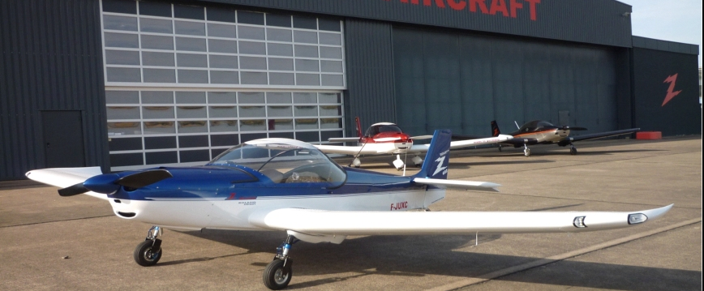

 | ROLAND AIRCRAFT |  |  |  | Tel.: +49 (0) 2652 934 685
 | Am Flugplatz 12 |  |  |  | Fax: +49 (0) 2652 934 686
 | D - 56743 Mendig |  |  |  | www.roland-aircraft.de

 | The Z -602 exclusiv is equipped with optical and outstanding aerodynamic details. The interior is very refined. High speed, comfortable seating combined with large baggage compartments in the wings make it the ideal tool for pilots to explore distant horizons.
Z-602 exclusiv
MTOW 525 kg - 600 kg

Standard version serie: |  |  |  | price list | 2025-02
Aluminium sheets: | aviation quality, parts complete CNC cutted
Corrosion protection: | on all contact points / lines is standard
Screws: | aviation quality, AN…
Wing leading edge: | Countersunk rivets in the wing leading edge
Other mounting hardware: | Bearings, bushings, connectors,
 | Quick locks, and much more. are quality products
Cowling: | Carbon CFK, mounting with quick locks
Canopy | Acrylic with UV protection, tinted, lockable
Instrumentation: | Airspeed, Altimeter
 | Tachometer, compass
 | Flapsindicator with volt-
 | and temp.-indicator
 | Slip indicatur
 | Electric Fuel Gauge
 | Oil pressure and oil temperature indicator
 | Cylinder head temperature (water)
 | Choke, Gas with setting option
 | Fuse, overcurrent protection switch - automatic
Panel: | Nextel painted by glare-free
Ignition switch: | "on" and "off" electrical control of both magnets
Engine: | Rotax 912 ULS (100 hp)
 | with slip clutch
 | and large starter
 | Exhaust system made ​​of stainless steel
 | Additional electric fuel pump
 | Airbox made ​​from CFK
Firewall: | Stainless steel
Petrol hose: | With heat protection
Batterie: | Gel - Maintenance-free, 17 Amp, Standard approx. 6 kg
 |  |  |  |  | 1/4

Fuel Tanks: | Wing tanks, 2 x 80 liters
Filler cap: | Lockable, Newton-quality milled
Tank selector switch: | 3-way switch, Newton-quality milled
Propeller: | 2 - blade CFK,adjustable on the ground
Split flaps: | Electrically adjustable
Trim: | Elevator, electrically adjustable
Cable: | Transferred to special protection tubes,
 | Central plug on the fire wall
Seat belt: | 4-point shoulder belts
Gear: | Robust, Air suspension
Rims: | Light alloy wheels, milled from solid material,
 | Tire changing is easy to install,
 | Hydraulic disc brakes with two-piston calipers
Brake: | Foot brake, individual wheel brake
Interior: | Hardwearing, lightweight material
 | Ornate and individual Interior Features
 | Padded center console with storage compartment
 | Storage pockets for cards and small parts on the spar
Cabin ventilation: | Adjustable ventilation
Heat: | Cabin heating by heat exchangers on the exhaust system
Storage space: | Modified luggage rack behind the seats (10 kg)
 | Luggage compartment in the wings (2x 15 kg)
 | Stepping surface on the wings

Lashing rings: | Wings and tail

Basic equipment |  | Net amount | 19% VAT | Incl. 19% VAT
Nosewheel version |  | 89,495.80 | 17,004.20 | 106,500.00 | €
Tailwheel version |  | 89,495.80 | 17,004.20 | 106,500.00 | €
Tail wheel with retractable gear (RG) |  | 99,193.28 | 18,846.72 | 118,040.00 | €

Z-602 economy |  |  | Price in Euro incl. 19% VAT | Zusammen-stellung
Nose wheel without rescue system |  |  | 106,500.00
Tailwheel without rescue system |  |  | 106,500.00
Tail wheel with retractable gear (RG) |  |  | 120,200.00

Additional equipment
12V double socket 2x and 2x USB |  |  | 68.00
2x USB |  |  | 80.00
Fuel pressure |  |  | 155.00
Hourmeter minutes |  |  | 95.00
Pressure sensor for Pitot |  |  | 150.00
Radio 833 with antenna, 1x PTT hedged |  |  | 2,800.00
Radio button for copilot / Training |  |  | 50.00
G205 Stick grip with PTT + trimm |  | add. charge | 580.00
 |  |  |  |  | 2/4

Transponder Mode S, antenna |  |  | 3,205.00

Manifold Pressure (Vacuum display) |  |  | 265.00
Aileron trim electrically |  |  | 680.00
Vario |  |  | 295.00
Vertical compass |  | add. charge | 285.00

collision warning with displaywithout programming |  |  | 2,370.00
Programming on request
ELT Kannad Integra EASY EVO complete kit |  |  | 1,990.00
Installation according to effort with-without remote control |  |  | ??
Propeller
Propeller 2-Blade Carbon, electrically adjust., Spinner |  | add. charge | 4,300.00
Propeller 3-Blade Carbon, on ground adjustable |  | add. charge | 600.00
Propeller 3-Blade Carbon, electrically adjust., Spinner |  | add. charge | 4,700.00
Constand Speed |  |  | 890.00
Propeller balancing dynamically |  |  | 250.00
Paintwork
Paintwork dans les coleurs standard |  |  | 6,200.00
Additional colors on request |  | add. charge
Two-color paint - straight separation |  | add. charge | 2,000.00
Metallic paintwork |  | add. charge | 800.00
Deco stripes - straight strips |  |  | 600.00
Callsign with attaching |  |  | 350.00
Corrosion protection, inside complete |  |  | 1,700.00
Additional equipment

Parachute Junkers Magnum with install hardware, MTOW 600 kg |  |  | 7,995.00
Parachute Junkers Magnum with install hardware, MTOW 540 kg |  |  | 6,965.00
Brake + Gas Copilot / Training |  |  | 980.00
Parking brake hydraulic |  |  | 525.00

Batterie - 11 Ah, 13,2 V , LIFEPO , ca. 1,6 kg |  | add. charge | 280.00

Preheating for oil, 220 V |  |  | 420.00
Preheating for water, 220 V |  |  | 420.00
Oil cooler inlet flap, electrically adjustable |  |  | 420.00

Strobes for wings with Nav - red / green, Highpower LEDs |  |  | 1,200.00
Landinglight left wing , Highpower LEDs |  |  | 500.00
Landinglight fight wing, Highpower LEDs |  |  | 500.00

Step for nosewheel and tailwheel |  |  | 600.00
Towing equipment for glider with additional oil cooler |  |  | 4,450.00
 |  |  |  |  | 3/4

Fairing for wheel and leg, taildragger |  | CFK | 1,800.00
Fairing for wheel and leg, nose wheel |  | CFK | 1,800.00

Installed external start box + plug |  |  | 200.00
Jump start - modified> Starter Cable |  |  | 70.00

Dorsal seat upholstery, additional |  | piece | 95.00
Carpet on the sidewall / seat |  |  | Standard
Carpet with Storage bag on the sidewall |  | add. charge | 120.00
Storage pockets for cards and small parts on the spar |  | set | Standard
Pocket at the side of the knee |  | piece | 190.00
Leather upgrade |  | add. charge | 1,850.00

Canopy - glued sun protection |  |  | 250.00
Cover, Persenning -> Canopy |  |  | 240.00
Cover, Persenning -> wings, fuselage, tail |  |  | 395.00
Suspension device is provided for hangarage |  |  | 550.00

Anti-glare protection for panel |  |  | 380.00
Anti-glare protection for panel with lighting |  |  | 420.00

Variant with one iPad / iPad is not included in the price
iLevel 3 AW von LEVIL Aviation |  |  | 2,150.00
Mounting bracket |  |  | 450.00
Installation |  |  | 1,600.00
Variant with two iPad / iPad is not included in the price
...

